Bow Tie Diagram
Bow Tie Diagram
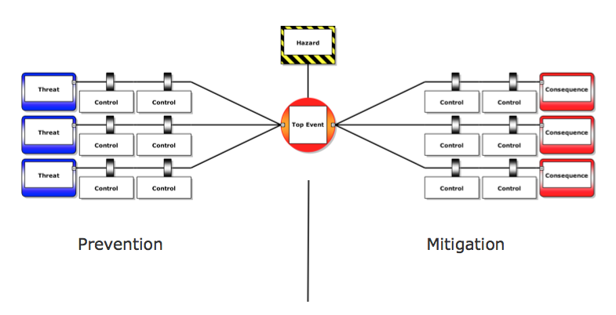

Describe Top Event
Hazards:
Chemical

Physical

Significant Threats for this Process

Significant Consequences for this Process:

Controls to Prevent these Threats:

Barriers to Prevent Consequences

 | Analysis by:
 | Name
 | Date
 | E-mail for follow-up

